Brain Mets Whole Brain
Breast
 |  | 3000 in 10 | 3500 in 14, 3750 in 15 fx | Site List

Template Name 24 characters max | Brain Mets 5 fx | Brain Mets 10 fx | Brain Mets 14 fx
Treatment Prescription
Site 24 characters max | Whole Brain | Whole Brain | Whole Brain
Prescription Name 13 characters max | 1 Whole Brain | 1 Whole Brain | 1 Whole Brain
Fractions | 5 | 10 | 14
Prescribe to: (Volume/Depth/Isocenter/% Isodose) | Volume | Volume | Volume
Volume Name/Depth (cm) | PTV | PTV | PTV
Total Dose (cGy) | 2000 | 3000 | 3500
cGy/fx | 400 | 300 | 250
Mode (Photon/Electron/Brachytherapy) | Photon | Photon | Photon
Technique | 3D Conformal: Multi Field | 3D Conformal: Multi Field | 3D Conformal: Multi Field
Primary/Boost | Primary | Primary | Primary
Energy | 6x
Frequency | 01 fx per day, 5 fx per week | 01 fx per day, 5 fx per week | 01 fx per day, 5 fx per week
Treatment Management
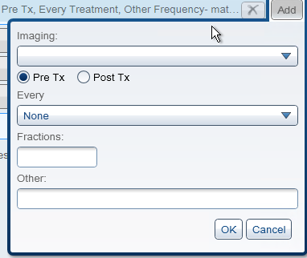
Imaging (CBCT/kVkV/MV/Portal Image)
Pre Tx or Post Tx
Every
Fractions
Other
Gating
Bolus
Breakpoint
Labs
Simulation (Y/N) | Yes | Yes | Yes
Notes | minimize the volume of normal brain >105% Organs-at-risk that are outside of the irradiated area and not expected to receive significant dose may be excluded from contouring and DVH reporting. | minimize the volume of normal brain >105% Organs-at-risk that are outside of the irradiated area and not expected to receive significant dose may be excluded from contouring and DVH reporting. | 3500-3750cGy, 250 cGy per fraction in 14-15 fractions minimize the volume of normal brain >105% Organs-at-risk that are outside of the irradiated area and not expected to receive significant dose may be excluded from contouring and DVH reporting.
Prescription Coverage Constraints
Structure 1 | PTV | PTV | PTV
Min Dose % | 90% | 90% | 90%
Max Dose % | 108% | 108% | 108%
At least 95% of structure at #% | 100% | 100% | 100%
Organ at Risk Constraints
Critical Structure 1 |  | SpinalCord | SpinalCord
Structure Code |  | 7647 | 7647
Max Dose [cGy] |  | 3600 | 3600
Mean Dose
V31Gy |  | 5cc | 5cc
Critical Structure 2 |  | Brainstem | Brainstem
Structure Code |  | ??? | ???
Max Dose [cGy] |  | 3800 | 3800
Mean Dose
V32Gy |  | 5cc | 5cc
Critical Structure 3 |  | OpticNerves | OpticNerves
Structure Code |  | ??? | ???
Max Dose [cGy] |  | 3000 | 3000
Mean Dose
Critical Structure 4 |  | OpticChiasm | OpticChiasm
Structure Code
Max Dose [cGy] |  | 3000 | 3000
Mean Dose
Critical Structure 5
Structure Code
Max Dose [cGy]
Mean Dose
V40Gy

